Density - precision weight
sample num | particle num | mass [mg] | mass [kg] | Diameter [mm] | Diameter [m] | volume [m^3] | Density [kg\m^3] | Visccometer callibration
1 | 1 | 516.7 | 0.0005167 | 9.525 | 0.009525 | 4.5247394423E-07 | 1141.9442083 | time [sec] | temp [c] | K [m^2/sec^2] | The real constant | density [kg\m^3] | viscosity [m^2/sec]
2 | 1 | 518.7 | 0.0005187 | 9.525 | 0.009525 | 4.5247394423E-07 | 1146.3643523 | 45 | 23.18 | 2.2266755734E-05 | 2.2266755734E-08 | 998 | 1.002004008E-06 | 1.002004008
3 | 1 | 518.5 | 0.0005185 | 9.525 | 0.009525 | 4.5247394423E-07 | 1145.9223379 | 62.03 |  | 2.2266755734E-05 | 2.2266755734E-08 | 1090 | 1.3812068582E-06 | 1.3812068582
4 | 1 | 517.3 | 0.0005173 | 9.525 | 0.009525 | 4.5247394423E-07 | 1143.2702515 | 62.58 |  | 2.2266755734E-05 | 2.2266755734E-08 | 1090 | 1.3934535738E-06 | 1.3934535738
5 | 1 | 517.2 | 0.0005172 | 9.525 | 0.009525 | 4.5247394423E-07 | 1143.0492443 | 65.3 |  | 2.2266755734E-05 | 2.2266755734E-08 | 1108 | 1.4540191494E-06 | 1.4540191494
6 | 1 | 519.6 | 0.0005196 | 9.525 | 0.009525 | 4.5247394423E-07 | 1148.3534171 | 65.05 |  | 2.2266755734E-05 | 2.2266755734E-08 | 1108 | 1.4484524605E-06 | 1.4484524605
7 | 1 | 515.9 | 0.0005159 | 9.525 | 0.009525 | 4.5247394423E-07 | 1140.1761507 | 65.42 |  | 2.2266755734E-05 | 2.2266755734E-08 | 1108 | 1.4566911601E-06 | 1.4566911601
8 | 1 | 518.4 | 0.0005184 | 9.525 | 0.009525 | 4.5247394423E-07 | 1145.7013307
9 | 1 | 518 | 0.000518 | 9.525 | 0.009525 | 4.5247394423E-07 | 1144.8173019
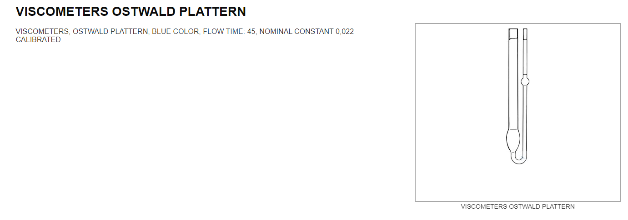
10 | 1 | 517.8 | 0.0005178 | 9.525 | 0.009525 | 4.5247394423E-07 | 1144.3752875
11 | 1 | 518.2 | 0.0005182 | 9.525 | 0.009525 | 4.5247394423E-07 | 1145.2593163
12 | 1 | 519.3 | 0.0005193 | 9.525 | 0.009525 | 4.5247394423E-07 | 1147.6903955
13 | 1 | 518.5 | 0.0005185 | 9.525 | 0.009525 | 4.5247394423E-07 | 1145.9223379
14 | 1 | 518.9 | 0.0005189 | 9.525 | 0.009525 | 4.5247394423E-07 | 1146.8063667
15 | 1 | 518.1 | 0.0005181 | 9.525 | 0.009525 | 4.5247394423E-07 | 1145.0383091
16 | 1 | 519.1 | 0.0005191 | 9.525 | 0.009525 | 4.5247394423E-07 | 1147.2483811
17 | 1 | 518.6 | 0.0005186 | 9.525 | 0.009525 | 4.5247394423E-07 | 1146.1433451
18 | 1 | 519.2 | 0.0005192 | 9.525 | 0.009525 | 4.5247394423E-07 | 1147.4693883
using this constant
19 | 1 | 522 | 0.000522 | 9 | 0.009 | 3.8170350741E-07 | 1367.5535851

 |  |  |  |  | 0.00051807142857

